Sheet1
Alcyoniidae | 28572
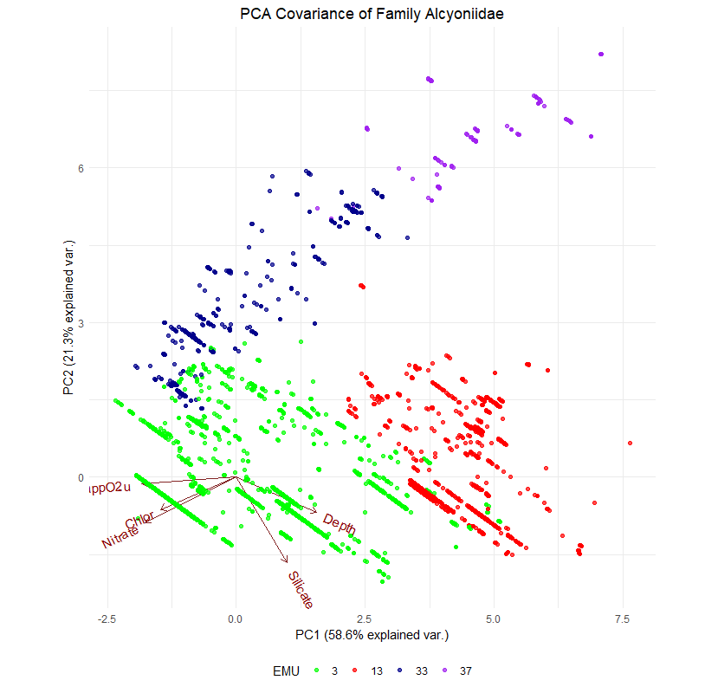
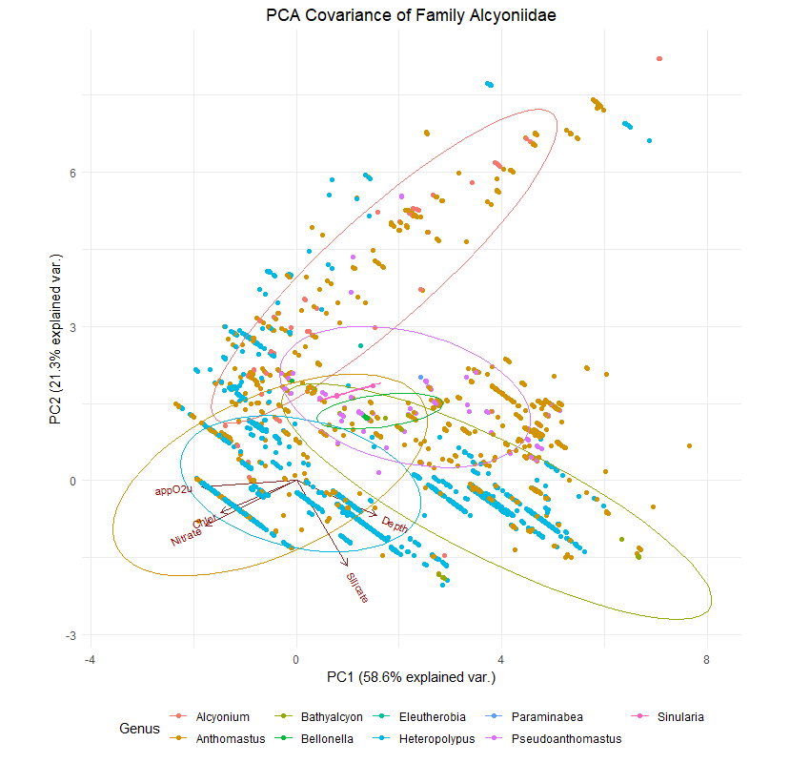
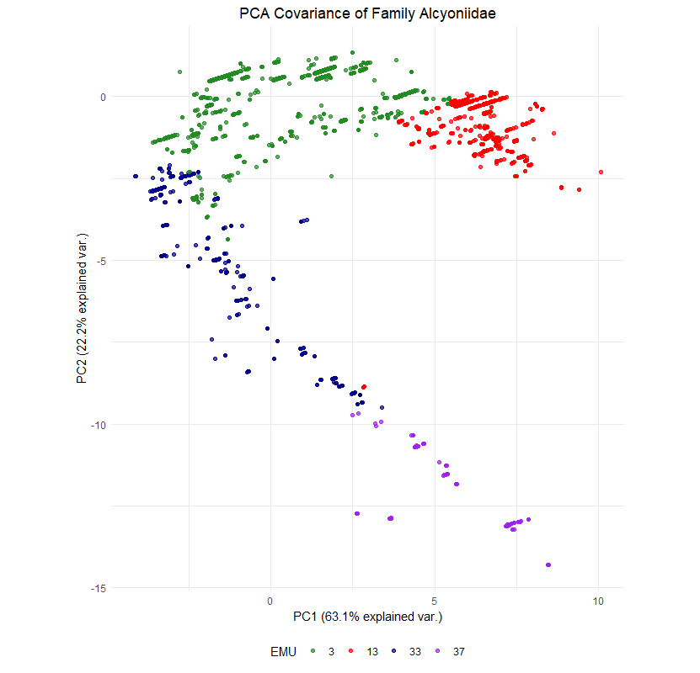
Importance of components:
 | PC1 | PC2 | PC3 | PC4 |  |  |  |  |  |  |  | PC1 | PC2 | PC3 | PC4 | PC5
Standard deviation | 2.5127 | 1.4896 | 0.85099 | 0.69340 |  |  |  |  |  |  | Standard deviation | 1.7114 | 1.0319 | 0.7409 | 0.65369 | 0.17336
Proportion of Variance | 0.6313 | 0.2219 | 0.07242 | 0.04808 |  |  |  |  |  |  | Proportion of Variance | 0.5858 | 0.2130 | 0.1098 | 0.08546 | 0.00601
Cumulative Proportion | 0.6313 | 0.8532 | 0.92567 | 0.97375 |  |  |  |  |  |  | Cumulative Proportion | 0.5858 | 0.7987 | 0.9085 | 0.99399 | 1.00000

 | PC1 | PC2 | PC3 | PC4 |  |  |  |  |  |  |  | PC1 | PC2 | PC3 | PC4
DepthInMeters | 0.2888634 | 0.09245904 | 0.37862669 | 0.843408709 |  |  |  |  |  |  | Depth | 0.4489334 | -0.32736452 | 0.05636161 | -0.82925633
EMU_temp_ | -0.3127622 | -0.38168600 | 0.05711920 | 0.206821616 |  |  |  |  |  |  | Chlor | -0.4241576 | -0.29810071 | -0.81504572 | -0.17227000
EMU_salinity | 0.1649226 | 0.56906078 | 0.12192487 | 0.025786766 |  |  |  |  |  |  | Nitrate | -0.5081255 | -0.41953492 | 0.26785886 | -0.07340414
EMU_appO2ut | -0.3738258 | 0.16843236 | 0.25646853 | 0.006608244 |  |  |  |  |  |  | Silicate | 0.2827581 | -0.79029962 | 0.10510252 | 0.46556078
EMU_dissO2 | 0.3873781 | -0.06273907 | -0.23067930 | -0.047983001 |  |  |  |  |  |  | appO2u | -0.5295333 | -0.05818413 | 0.49972886 | -0.24601214
EMU_nitrate | -0.3143048 | 0.39477774 | -0.01490557 | 0.002315868
EMU_percO2sat | 0.3843089 | -0.08607974 | -0.24978214 | -0.039691736
EMU_phosphate | -0.3731183 | 0.18907815 | 0.06315257 | -0.027793873
EMU_silicate | 0.2528921 | 0.49318327 | 0.01633186 | -0.226341724
EMU_ChlorA_12yrAvg | -0.2282066 | 0.21769664 | -0.80787142 | 0.435076662

 | 3 | 13 | 33 | 37
 | 23992 | 2305 | 2101 | 174

Acanthogorgiidae | 12857
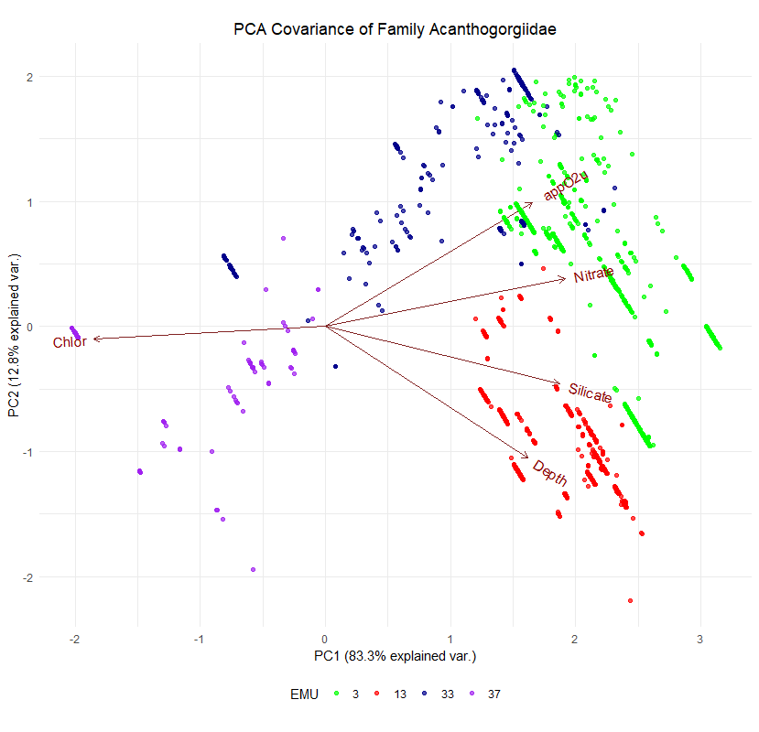
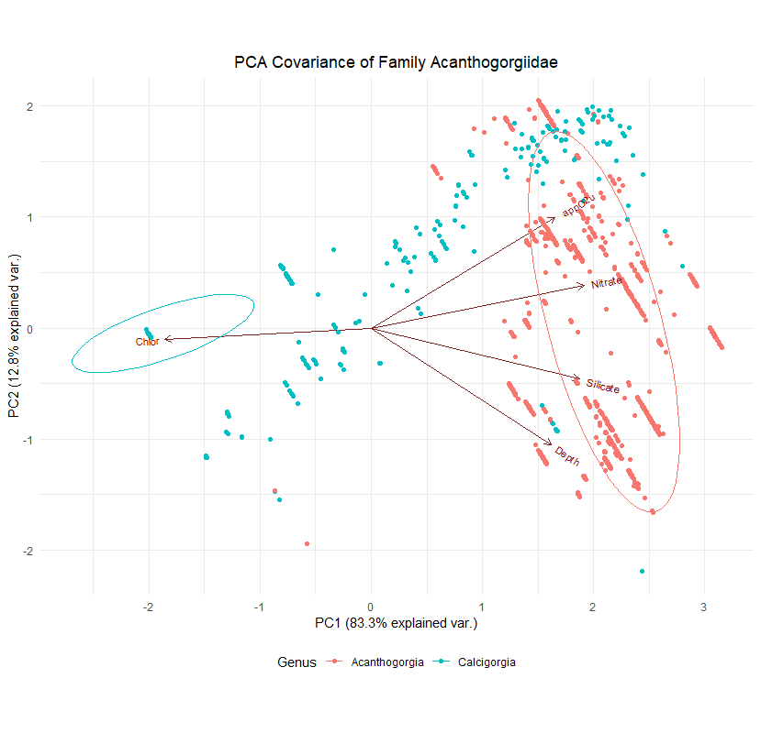
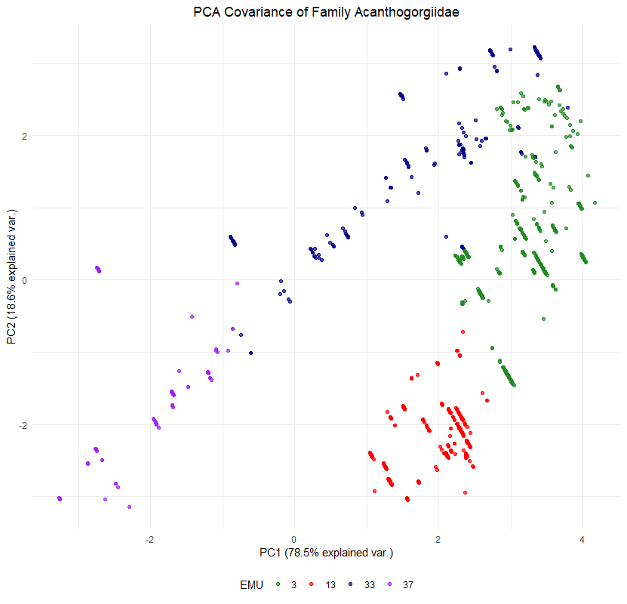
Importance of components:
 | PC1 | PC2 | PC3 | PC4 |  |  |  |  |  |  |  | PC1 | PC2 | PC3 | PC4 | PC5
Standard deviation | 2.8010 | 1.3640 | 0.41392 | 0.27836 |  |  |  |  |  |  | Standard deviation | 2.0410 | 0.8013 | 0.3728 | 0.22210 | 0.06196
Proportion of Variance | 0.7845 | 0.1860 | 0.01713 | 0.00775 |  |  |  |  |  |  | Proportion of Variance | 0.8331 | 0.1284 | 0.0278 | 0.00987 | 0.00077
Cumulative Proportion | 0.7845 | 0.9706 | 0.98771 | 0.99546 |  |  |  |  |  |  | Cumulative Proportion | 0.8331 | 0.9616 | 0.9894 | 0.99923 | 1.00000

 | PC1 | PC2 | PC3 | PC4 |  |  |  |  |  |  |  | PC1 | PC2 | PC3 | PC4
DepthInMeters | 0.2604089 | -0.45159281 | -0.60703428 | -0.55528145 |  |  |  |  |  |  | Depth | 0.4055256 | -0.6701817 | 0.28936378 | -0.5495750
EMU_temp_ | -0.3150947 | 0.33098427 | -0.12323724 | -0.39635965 |  |  |  |  |  |  | Chlor | -0.4639461 | -0.0641396 | 0.84318334 | 0.1883521
EMU_salinity | 0.3412043 | -0.18313457 | 0.06573211 | -0.06598343 |  |  |  |  |  |  | Nitrate | 0.4793811 | 0.2448728 | 0.07122785 | 0.1308449
EMU_appO2ut | 0.3296248 | 0.27717537 | -0.13582126 | 0.08479595 |  |  |  |  |  |  | Silicate | 0.4682578 | -0.2932796 | 0.13484496 | 0.7596267
EMU_dissO2 | -0.2585537 | -0.50108149 | 0.19231329 | 0.13346733 |  |  |  |  |  |  | appO2u | 0.4138011 | 0.6330616 | 0.42667773 | -0.2614148
EMU_nitrate | 0.3559102 | 0.01478195 | 0.05542758 | 0.13974944
EMU_percO2sat | -0.2899523 | -0.42454524 | 0.14436704 | 0.08149783
EMU_phosphate | 0.3405740 | 0.20609420 | 0.07041117 | 0.11251518
EMU_silicate | 0.3221455 | -0.29661797 | -0.14604244 | 0.46624607
EMU_ChlorA_12yrAvg | -0.3323655 | 0.11896226 | -0.71159628 | 0.49898595

 | 3 | 13 | 33 | 37
 | 3306 | 1512 | 1541 | 6498

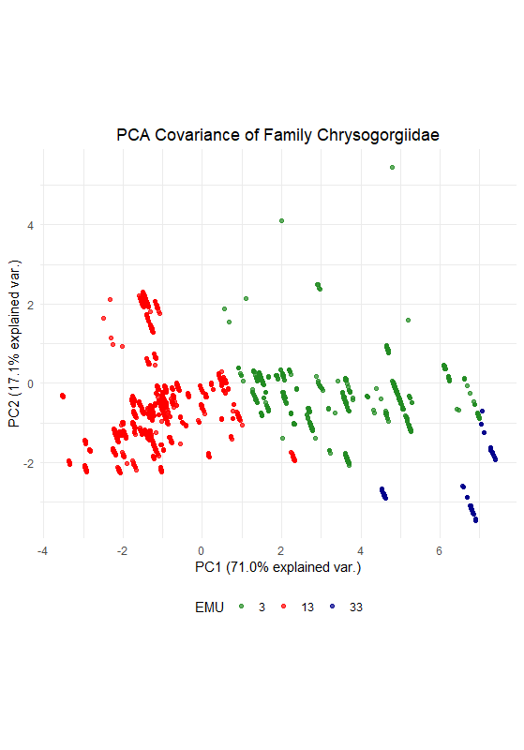
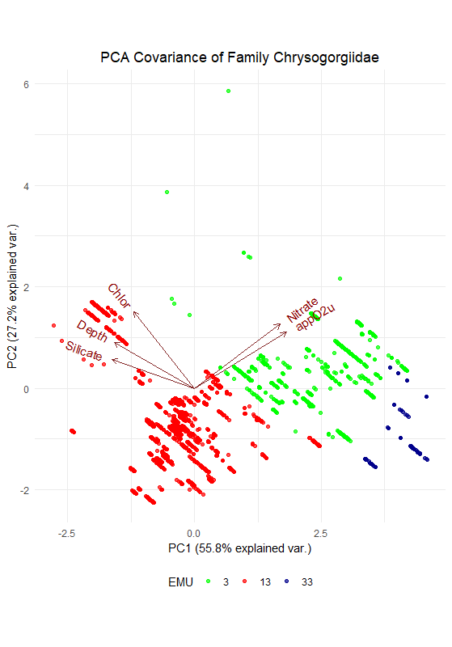
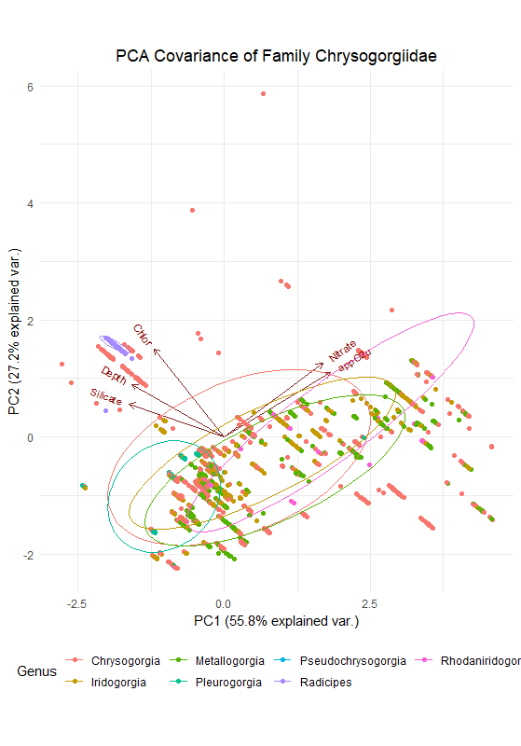
Chrysogorgiidae | 7230

Importance of components:
 | PC1 | PC2 | PC3 | PC4 |  |  |  |  |  |  |  | PC1 | PC2 | PC3 | PC4 | PC5
Standard deviation | 2.664 | 1.3087 | 0.79834 | 0.61752 |  |  |  |  |  |  | Standard deviation | 1.6696 | 1.1657 | 0.69983 | 0.59588 | 0.09299
Proportion of Variance | 0.710 | 0.1713 | 0.06373 | 0.03813 |  |  |  |  |  |  | Proportion of Variance | 0.5575 | 0.2718 | 0.09795 | 0.07101 | 0.00173
Cumulative Proportion | 0.710 | 0.8812 | 0.94495 | 0.98308 |  |  |  |  |  |  | Cumulative Proportion | 0.5575 | 0.8293 | 0.92726 | 0.99827 | 1.00000

 | PC1 | PC2 | PC3 | PC4 |  |  |  |  |  |  |  | PC1 | PC2 | PC3 | PC4
DepthInMeters | -0.18889824 | 0.49983335 | 0.45284740 | 0.69886230 |  |  |  |  |  |  | Depth | -0.4440879 | 0.3615467 | -0.5022906 | 0.6478974
EMU_temp_ | 0.34211732 | -0.10232375 | 0.41743769 | -0.17461368 |  |  |  |  |  |  | Chlor | -0.3354148 | 0.6050680 | -0.1718430 | -0.7008426
EMU_salinity | -0.35832401 | -0.03508827 | -0.10205079 | -0.18130524 |  |  |  |  |  |  | Nitrate | 0.4753156 | 0.5066870 | 0.1366290 | 0.1508087
EMU_appO2ut | 0.36541373 | 0.13404808 | -0.14585646 | 0.08888759 |  |  |  |  |  |  | Silicate | -0.4542368 | 0.2248699 | 0.8338212 | 0.2094307
EMU_dissO2 | -0.37149922 | -0.08678110 | 0.03495247 | -0.04219055 |  |  |  |  |  |  | appO2u | 0.5079634 | 0.4425816 | 0.0651829 | 0.1498136
EMU_nitrate | 0.35371640 | 0.20422183 | -0.20708351 | 0.07644688
EMU_percO2sat | -0.37050282 | -0.10046119 | 0.06142532 | -0.05388861
EMU_phosphate | 0.34152426 | 0.26531102 | -0.16959692 | -0.05342616
EMU_silicate | -0.24293646 | 0.42193691 | -0.64409341 | 0.05314512
EMU_ChlorA_12yrAvg | -0.09640361 | 0.64245290 | 0.31223193 | -0.65124654

 | 3 | 13 | 33
 | 1627 | 5518 | 85

Coralliidae | 3274

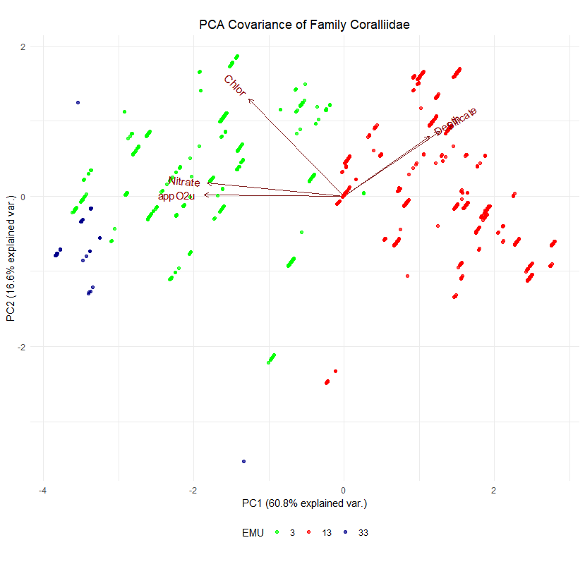
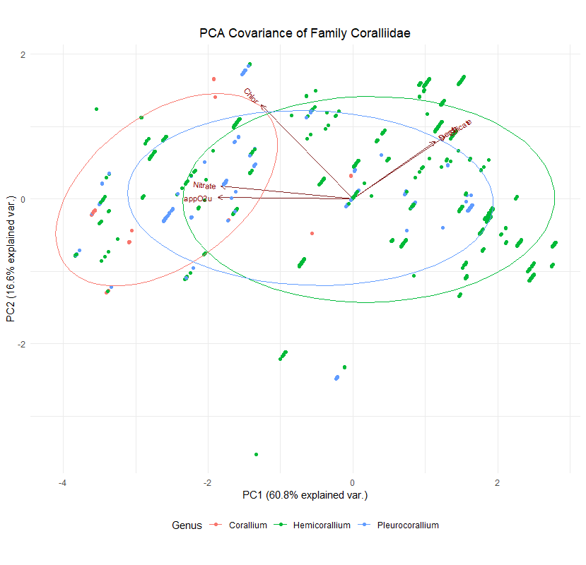
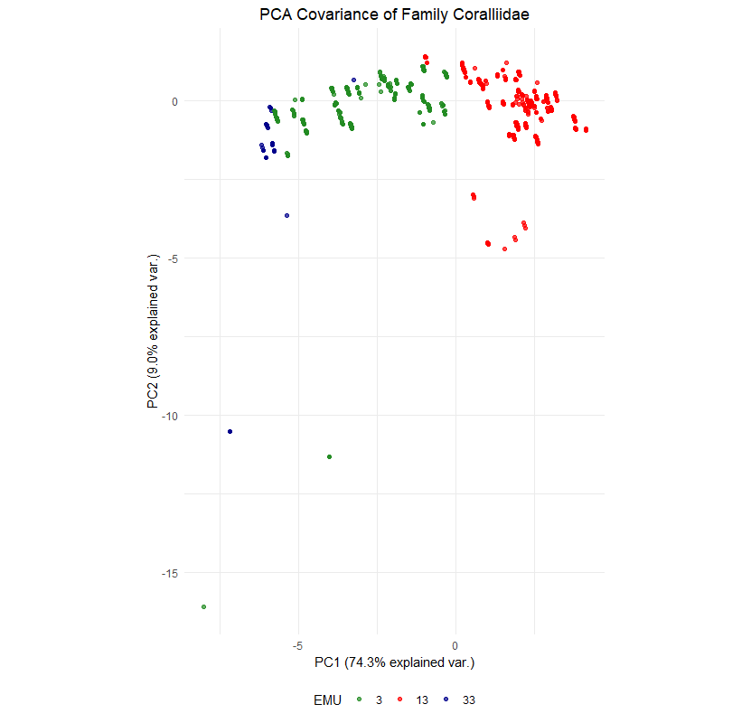
Importance of components:
 | PC1 | PC2 | PC3 | PC4 |  |  |  |  |  |  |  | PC1 | PC2 | PC3 | PC4 | PC5
Standard deviation | 2.726 | 0.95070 | 0.92721 | 0.80360 |  |  |  |  |  |  | Standard deviation | 1.7429 | 0.9107 | 0.8660 | 0.6058 | 0.12616
Proportion of Variance | 0.743 | 0.09038 | 0.08597 | 0.06458 |  |  |  |  |  |  | Proportion of Variance | 0.6075 | 0.1659 | 0.1500 | 0.0734 | 0.00318
Cumulative Proportion | 0.743 | 0.83341 | 0.91938 | 0.98396 |  |  |  |  |  |  | Cumulative Proportion | 0.6075 | 0.7734 | 0.9234 | 0.9968 | 1.00000

 | PC1 | PC2 | PC3 | PC4 |  |  |  |  |  |  |  | PC1 | PC2 | PC3 | PC4
DepthInMeters | 0.1852802 | -0.60959902 | 0.41028937 | 0.63814673 |  |  |  |  |  |  | Depth | 0.3382956 | 0.45195391 | 0.779830351 | -0.2704774
EMU_temp_ | -0.3463433 | -0.06306749 | 0.25201191 | -0.24335613 |  |  |  |  |  |  | Chlor | -0.3767349 | 0.73820294 | -0.071924502 | 0.5549355
EMU_salinity | 0.3430713 | 0.10416802 | -0.21851565 | -0.02626416 |  |  |  |  |  |  | Nitrate | -0.5421227 | 0.10034494 | 0.004103179 | -0.5000206
EMU_appO2ut | -0.3590078 | 0.05600937 | -0.08243609 | 0.21457573 |  |  |  |  |  |  | Silicate | 0.3784847 | 0.49051596 | -0.613391580 | -0.4752356
EMU_dissO2 | 0.3635283 | -0.02876416 | 0.01458533 | -0.13326973 |  |  |  |  |  |  | appO2u | -0.5536056 | 0.01091159 | 0.102104961 | -0.3781786
EMU_nitrate | -0.3429687 | 0.09528392 | -0.19686958 | 0.31033928
EMU_percO2sat | 0.3632112 | -0.03479625 | 0.02961096 | -0.14986434
EMU_phosphate | -0.3531025 | 0.08327496 | -0.11294674 | 0.21269915
EMU_silicate | 0.2690364 | 0.20336750 | -0.56069844 | 0.47281676
EMU_ChlorA_12yrAvg | -0.1427181 | -0.74230267 | -0.58874523 | -0.28545886

 | 3 | 13 | 33
 | 1293 | 1914 | 67

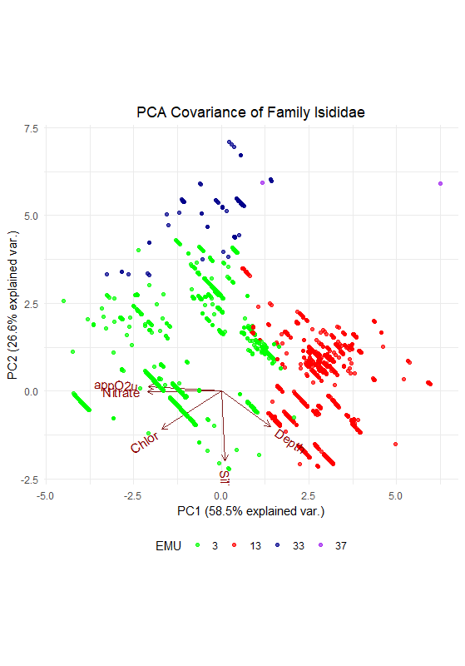
Isididae | 17720
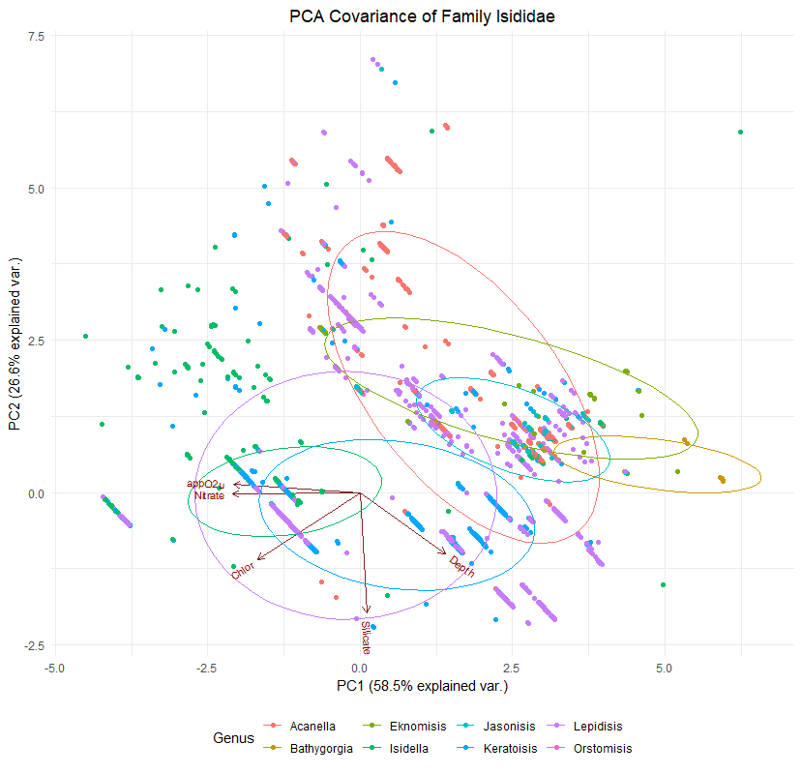
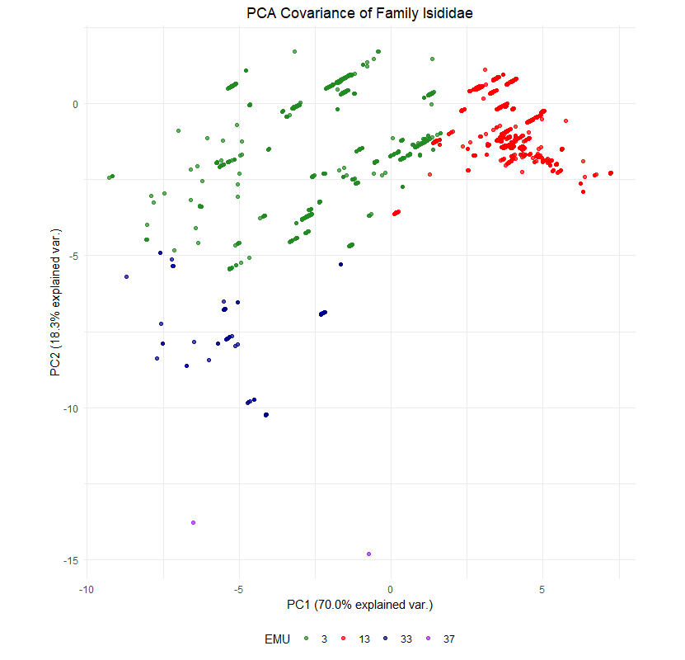
Importance of components:
 | PC1 | PC2 | PC3 | PC4 |  |  |  |  |  |  |  | PC1 | PC2 | PC3 | PC4 | PC5
Standard deviation | 2.6463 | 1.3522 | 0.79921 | 0.51529 |  |  |  |  |  |  | Standard deviation | 1.7106 | 1.1533 | 0.7292 | 0.44246 | 0.12711
Proportion of Variance | 0.7003 | 0.1828 | 0.06387 | 0.02655 |  |  |  |  |  |  | Proportion of Variance | 0.5853 | 0.2660 | 0.1063 | 0.03915 | 0.00323
Cumulative Proportion | 0.7003 | 0.8831 | 0.94698 | 0.97353 |  |  |  |  |  |  | Cumulative Proportion | 0.5853 | 0.8513 | 0.9576 | 0.99677 | 1.00000

 | PC1 | PC2 | PC3 | PC4 |  |  |  |  |  |  |  | PC1 | PC2 | PC3 | PC4
DepthInMeters | 0.2364485 | 0.13278850 | -0.940892249 | -0.20159185 |  |  |  |  |  |  | Depth | 0.38089407 | -0.404317137 | 0.8141352 | -0.1690646
EMU_temp_ | -0.3019294 | -0.40079153 | -0.151767986 | 0.12642375 |  |  |  |  |  |  | Chlor | -0.45876558 | -0.442504416 | 0.1518668 | 0.7542897
EMU_salinity | 0.3190215 | 0.25854730 | 0.194374217 | -0.36264391 |  |  |  |  |  |  | Nitrate | -0.56969355 | -0.008563105 | 0.1836462 | -0.3489919
EMU_appO2ut | -0.3695607 | 0.11922545 | -0.031123487 | -0.22431705 |  |  |  |  |  |  | Silicate | 0.02951632 | -0.798601566 | -0.4838425 | -0.3550373
EMU_dissO2 | 0.3737009 | -0.05181318 | 0.058659057 | 0.19616465 |  |  |  |  |  |  | appO2u | -0.56482909 | 0.053662892 | 0.2151530 | -0.3932142
EMU_nitrate | -0.3616056 | 0.17714823 | -0.009957801 | -0.19096322
EMU_percO2sat | 0.3739911 | -0.06181595 | 0.037793795 | 0.19107920
EMU_phosphate | -0.3650827 | 0.12610155 | -0.023397376 | -0.26920016
EMU_silicate | 0.1106492 | 0.68296723 | 0.149408966 | -0.09696364
EMU_ChlorA_12yrAvg | -0.2424293 | 0.46950910 | -0.158427764 | 0.75380340

 | 3 | 13 | 33 | 37
 | 11419 | 6085 | 214 | 2

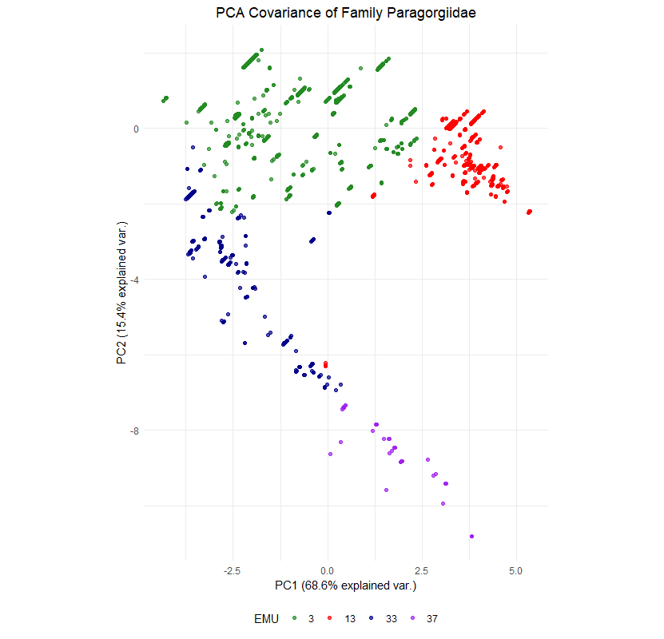
Paragorgiidae | 13457
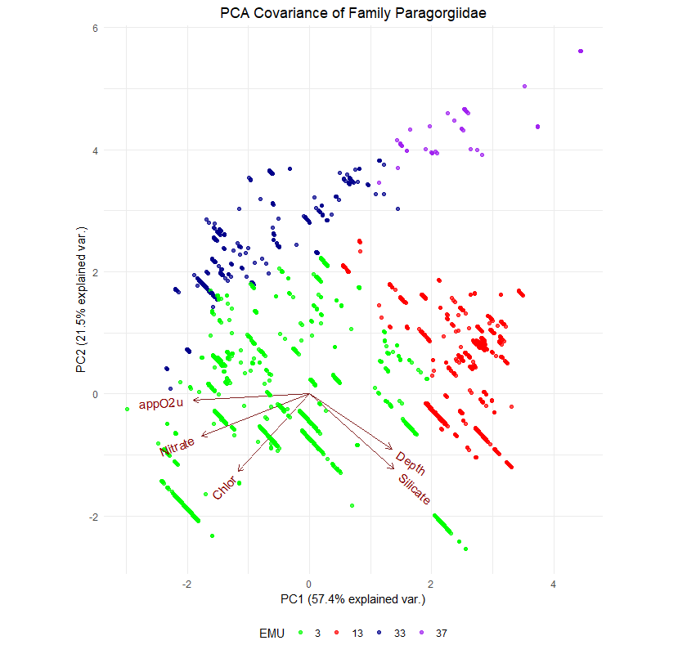
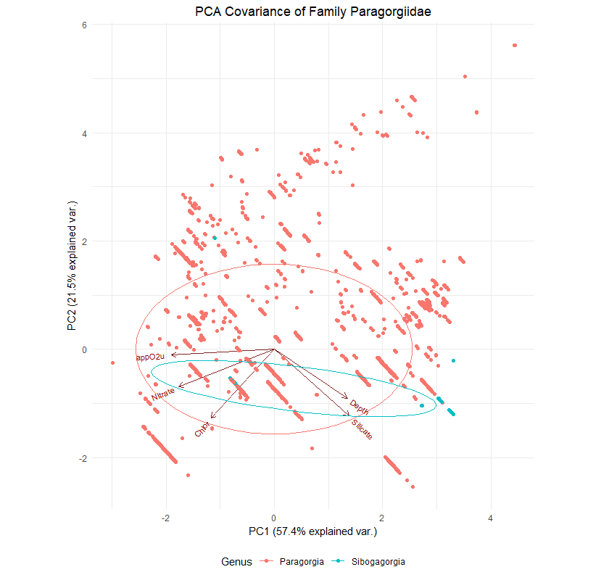
Importance of components:
 | PC1 | PC2 | PC3 | PC4 |  |  |  |  |  |  |  | PC1 | PC2 | PC3 | PC4 | PC5
Standard deviation | 2.6186 | 1.2422 | 0.87211 | 0.71231 |  |  |  |  |  |  | Standard deviation | 1.6945 | 1.0377 | 0.8038 | 0.61374 | 0.17041
Proportion of Variance | 0.6857 | 0.1543 | 0.07606 | 0.05074 |  |  |  |  |  |  | Proportion of Variance | 0.5743 | 0.2154 | 0.1292 | 0.07534 | 0.00581
Cumulative Proportion | 0.6857 | 0.8400 | 0.91606 | 0.96679 |  |  |  |  |  |  | Cumulative Proportion | 0.5743 | 0.7896 | 0.9189 | 0.99419 | 1.00000

 | PC1 | PC2 | PC3 | PC4 |  |  |  |  |  |  |  | PC1 | PC2 | PC3 | PC4
DepthInMeters | 0.2297639 | 0.22920505 | -0.64504969 | -0.68656878 |  |  |  |  |  |  | Depth | 0.3912679 | -0.42742311 | 0.6494119 | 0.49199826
EMU_temp_ | -0.3422303 | -0.28973703 | -0.02509470 | -0.10988637 |  |  |  |  |  |  | Chlor | -0.3406229 | -0.60352663 | -0.5449632 | 0.46833025
EMU_salinity | 0.2600795 | 0.45347487 | -0.09594715 | 0.40648892 |  |  |  |  |  |  | Nitrate | -0.5142327 | -0.32911271 | 0.3281899 | -0.33673178
EMU_appO2ut | -0.3650472 | 0.17553550 | -0.19215370 | 0.08756981 |  |  |  |  |  |  | Silicate | 0.4010414 | -0.58510808 | -0.1300099 | -0.64511260
EMU_dissO2 | 0.3735456 | -0.09622798 | 0.17409783 | -0.04588618 |  |  |  |  |  |  | appO2u | -0.5528255 | -0.04897387 | 0.3958132 | -0.09511006
EMU_nitrate | -0.3146238 | 0.41054761 | -0.10888786 | 0.14162526
EMU_percO2sat | 0.3723087 | -0.10913605 | 0.17414625 | -0.07145336
EMU_phosphate | -0.3678331 | 0.16211555 | -0.09990091 | 0.03130864
EMU_silicate | 0.2983095 | 0.45333295 | 0.01961260 | 0.19623417
EMU_ChlorA_12yrAvg | -0.1666082 | 0.45337983 | 0.67401325 | -0.52620307

 | 3 | 13 | 33 | 37
 | 8166 | 4337 | 902 | 52

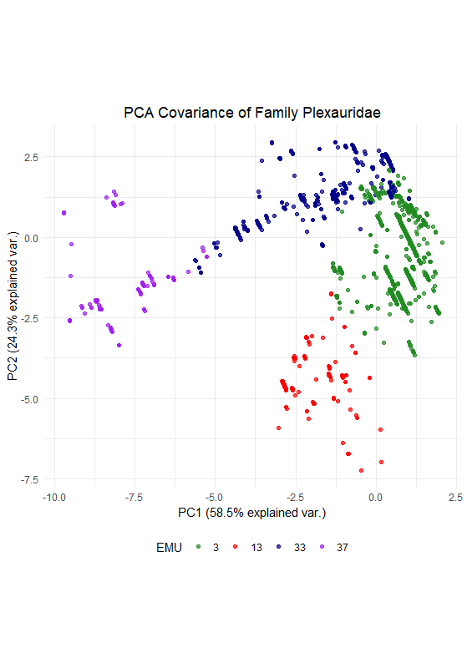
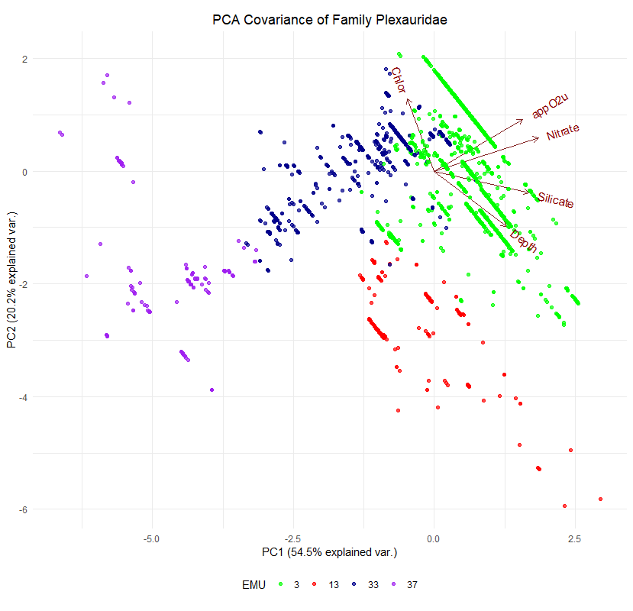
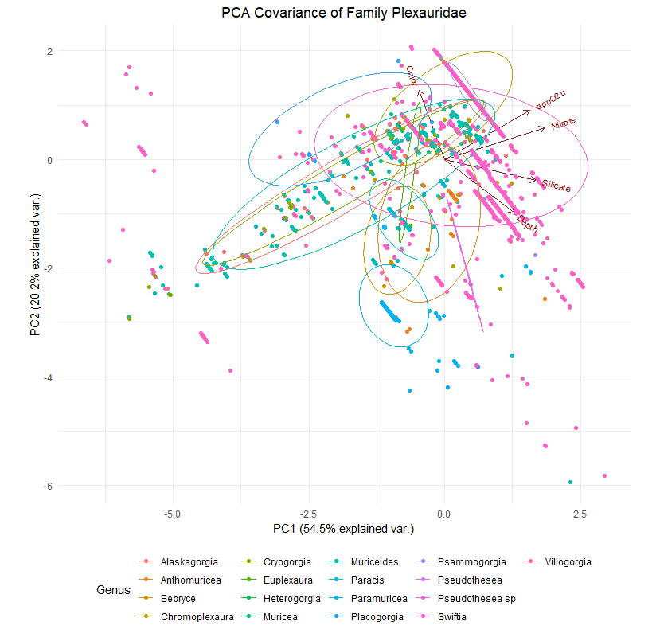
Plexauridae | 11340

Importance of components:
 | PC1 | PC2 | PC3 | PC4 |  |  |  |  |  |  |  | PC1 | PC2 | PC3 | PC4 | PC5
Standard deviation | 2.4188 | 1.5580 | 0.98015 | 0.69880 |  |  |  |  |  |  | Standard deviation | 1.6514 | 1.0045 | 0.9643 | 0.55215 | 0.17091
Proportion of Variance | 0.5851 | 0.2427 | 0.09607 | 0.04883 |  |  |  |  |  |  | Proportion of Variance | 0.5454 | 0.2018 | 0.1860 | 0.06097 | 0.00584
Cumulative Proportion | 0.5851 | 0.8278 | 0.92388 | 0.97271 |  |  |  |  |  |  | Cumulative Proportion | 0.5454 | 0.7472 | 0.9332 | 0.99416 | 1.00000

 | PC1 | PC2 | PC3 | PC4 |  |  |  |  |  |  |  | PC1 | PC2 | PC3 | PC4
DepthInMeters | 0.19505146 | -0.40058265 | -0.066595802 | -0.884105936 |  |  |  |  |  |  | Depth | 0.3947926 | -0.4961637 | 0.4814004 | 0.60341692
EMU_temp_ | -0.26426186 | 0.46127683 | -0.003090575 | -0.297850808 |  |  |  |  |  |  | Chlor | -0.1454971 | 0.6443347 | 0.7500361 | 0.02800019
EMU_salinity | 0.33789817 | -0.27886512 | -0.065305389 | 0.148186478 |  |  |  |  |  |  | Nitrate | 0.5673985 | 0.2970198 | -0.1237944 | -0.08546320
EMU_appO2ut | 0.37746163 | 0.25446333 | 0.014189208 | -0.063767319 |  |  |  |  |  |  | Silicate | 0.5180809 | -0.1952177 | 0.2860754 | -0.70142589
EMU_dissO2 | -0.32472890 | -0.38988679 | -0.021329157 | 0.137719171 |  |  |  |  |  |  | appO2u | 0.4823074 | 0.4607860 | -0.3294469 | 0.36851293
EMU_nitrate | 0.40601967 | 0.02250144 | -0.063593992 | 0.134956737
EMU_percO2sat | -0.34269048 | -0.35079701 | -0.034085834 | 0.117156840
EMU_phosphate | 0.38293788 | 0.19290077 | -0.014034596 | 0.085792168
EMU_silicate | 0.30804308 | -0.39875150 | -0.117284975 | 0.212818418
EMU_ChlorA_12yrAvg | -0.07873111 | 0.11157890 | -0.985634624 | 0.007648239

 | 3 | 13 | 33 | 37
 | 8337 | 402 | 1808 | 793

Primnoidae | 18415
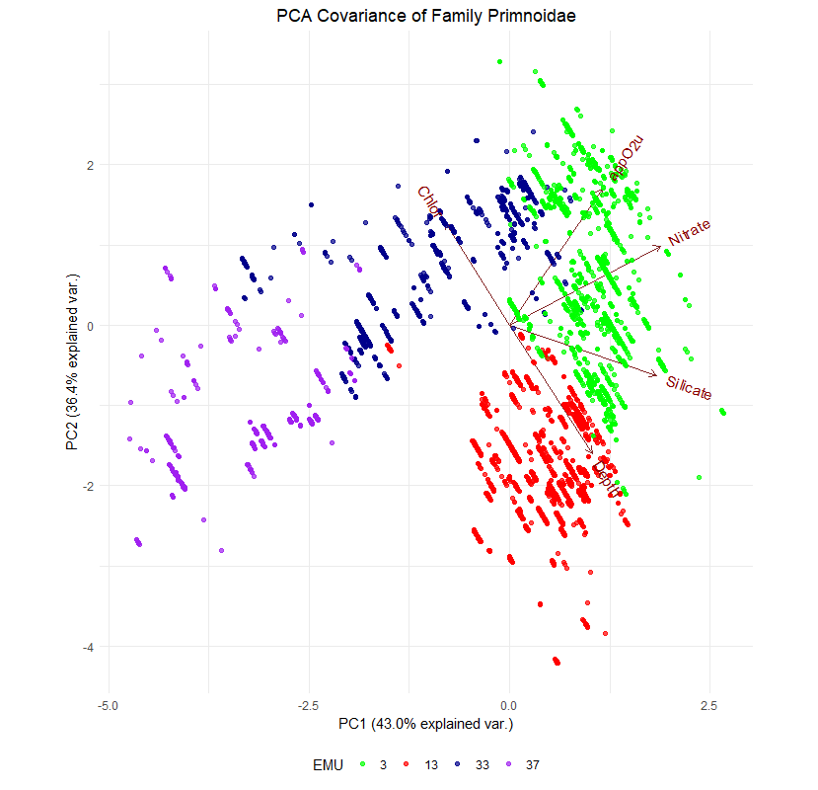
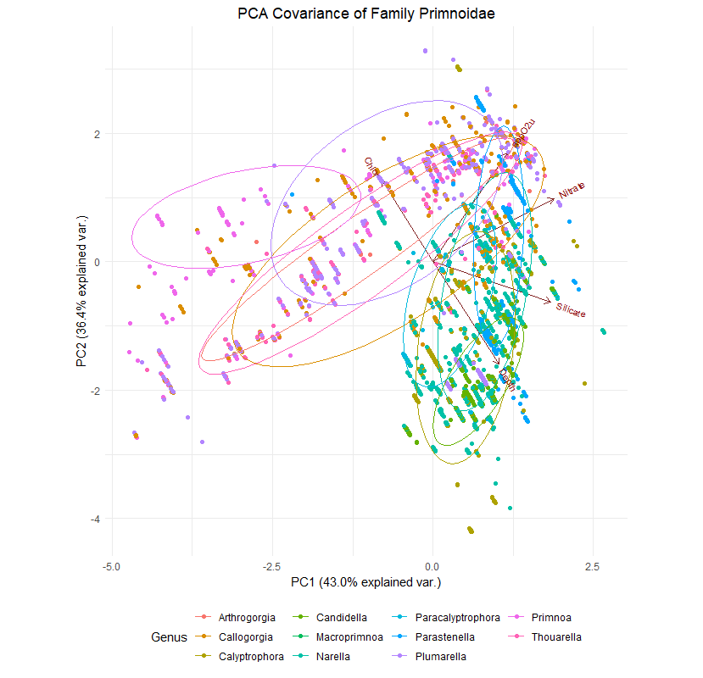
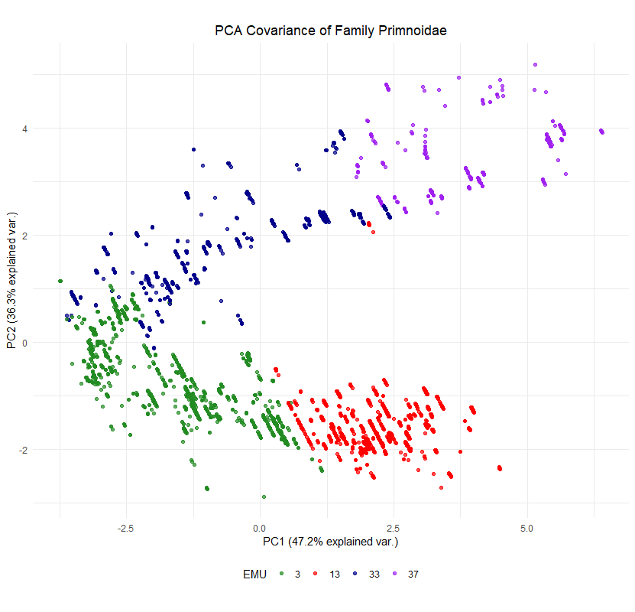
Importance of components:
 | PC1 | PC2 | PC3 | PC4 |  |  |  |  |  |  |  | PC1 | PC2 | PC3 | PC4 | PC5
Standard deviation | 2.1721 | 1.9053 | 0.88773 | 0.71374 |  |  |  |  |  |  | Standard deviation | 1.4656 | 1.3489 | 0.8327 | 0.54217 | 0.21223
Proportion of Variance | 0.4718 | 0.3630 | 0.07881 | 0.05094 |  |  |  |  |  |  | Proportion of Variance | 0.4296 | 0.3639 | 0.1387 | 0.05879 | 0.00901
Cumulative Proportion | 0.4718 | 0.8348 | 0.91366 | 0.96460 |  |  |  |  |  |  | Cumulative Proportion | 0.4296 | 0.7935 | 0.9322 | 0.99099 | 1.00000

 | PC1 | PC2 | PC3 | PC4 |  |  |  |  |  |  |  | PC1 | PC2 | PC3 | PC4
DepthInMeters | 0.200048539 | -0.37268563 | 0.05032410 | 0.64485031 |  |  |  |  |  |  | DepthInMeters | 0.3270850 | -0.5509696 | -0.33692855 | -0.68755826
EMU_temp_ | -0.155801045 | 0.45499909 | 0.24897892 | 0.36370596 |  |  |  |  |  |  | EMU_ChlorA_12yrAvg | -0.2527922 | 0.4385618 | -0.85933602 | -0.04595043
EMU_salinity | -0.072937344 | -0.46581978 | 0.08621460 | 0.39553639 |  |  |  |  |  |  | EMU_nitrate | 0.5965316 | 0.3397044 | 0.04280201 | 0.05008149
EMU_appO2ut | -0.450855618 | -0.08151848 | 0.03216114 | 0.09027091 |  |  |  |  |  |  | EMU_silicate | 0.5820625 | -0.2164162 | -0.33906548 | 0.58375515
EMU_dissO2 | 0.450007485 | -0.06945150 | -0.11028984 | -0.15459896 |  |  |  |  |  |  | EMU_appO2ut | 0.3666945 | 0.5846889 | 0.17670129 | -0.42646684
EMU_nitrate | -0.345382367 | -0.32192270 | -0.08923717 | -0.20408536
EMU_percO2sat | 0.453006553 | -0.01586439 | -0.10418172 | -0.17785601
EMU_phosphate | -0.431078739 | -0.08177597 | -0.02122473 | -0.26311927
EMU_silicate | 0.004461781 | -0.49736234 | -0.28758331 | -0.17639148
EMU_ChlorA_12yrAvg | -0.119400720 | 0.26015746 | -0.90159530 | 0.29959648

 | 3 | 13 | 33 | 37
 | 7036 | 5268 | 5134 | 977

Boosted Regression Tree |  |  |  |  |  |  |  | Main EMU | PCA1 | PCA2 |  |  |  | Chla | Depth | Nitrate | Silicate | AppO2ut
 |  |  |  |  |  | Acanthogorgiidae |  | 37 | Nitrate | < Depth | Shelf |  |  | Mid | Shallow | Low | Low | Low | 1 | Like shallow shelfs with higher levels of Chl and O2. More competetive for nutrients.
> sqrt(min(GBM.model$cv.error)) |  |  |  |  |  | Alcyoniidae |  | 33 | < AppO2ut | < Silicate | Slope |  |  | Mid | Mid | High | High | High | 2 | Mid-depth slope dwellers that can survive in O2 limited environments.
[1] 1.136385 |  |  |  |  |  | Chrysogorgiidae |  | 13 | AppO2ut | Chlor | AbyssMnt/Slope |  |  | Low | Deep | Mid | High | Low | 3 | Deep Family with low respiration and organic carbon input.
 |  |  |  |  |  | Coralliidae |  | 3/13 | < AppO2ut | Chlor | AbyssMnt/Slope |  |  | Low | Mid | Mid | High | Low | 4 | Generalist and transition Family that can thrive in many places.
 | var | rel.inf |  |  |  | Isididae |  | 3 | < Nitrate | < Silicate | AbyssMnt/Slope |  |  | Low | Deep | Mid | High | Mid | 3 | Deep Family with low respiration and organic carbon input.
Chlor | Chlor | 31.5066629 |  |  |  | Paragorgiidae |  | 3 | < AppO2ut | < Chlor | AbyssMnt/Slope |  |  | Mid | Mid | High | High | High | 2 | Mid-depth slope dwellers that can survive in O2 limited environments.
Depth | Depth | 18.0252354 |  |  |  | Plexauridae |  | 3/33 | Nitrate | Chlor | Slope |  |  | Mid | Mid | High | Mid | High | 2 | Mid-depth slope dwellers that can survive in O2 limited environments.
Nitrate | Nitrate | 17.9159061 |  |  |  | Primnoidae |  | 3/13/33 | Nitrate | AppO2ut | Mixed |  |  | Low | Mid | Mid | High | Low | 4 | Generalist and transition Family that can thrive in many places.
Silicate | Silicate | 13.4322654 |  |  |  |  |  |  |  |  |  |  |  | < 1 | < 500 | < 35 | < 100 | < 50
appO2u | appO2u | 7.5456463 |  |  |  |  |  |  |  |  |  |  |  | 1-2 | 500-1500 | 35-40 | 100-150 | 50-60
Salinity | Salinity | 4.6979147 |  |  |  |  |  |  |  |  |  |  |  | > 2 | >1500 | > 40 | > 150 | > 60
Phosph | Phosph | 3.7310586 |  |  |  | 37 | Shallow shelfs with higher levels of Chl and O2. More competetive for nutrients.
Temp | Temp | 2.6462870 |  |  |  | 33 | Mid-depth slope dwellers that can survive in O2 limited environments.
dissO2 | dissO2 | 0.3416126 |  |  |  | 3 Mid | Mid-depth slope dwellers that can survive in O2 limited environments.
O2sat | O2sat | 0.1574110 |  |  |  | 3 Deep | Deep mountain and slope dwellers with low respiration and organic carbon input.
 |  |  |  |  |  | 13 | Deep mountain and slope dwellers with low respiration and organic carbon input.
 |  |  |  |  |  | Mixed | Generalist and transition Family that can thrive in many places.
 | Main EMU | Chla | Depth | Nitrate | Silicate | AppO2ut | Geomorph
Acanthogorgiidae | 37 | Mid | Shallow | Low | Low | Low | Shelf |  |  | 1
Alcyoniidae | 33 | Mid | Mid | High | High | High | Slope |  |  | 2
Chrysogorgiidae | 13 | Low | Deep | Mid | High | Low | AbyssMnt/Slope |  |  | 3
Coralliidae | 3/13 | Low | Mid | Mid | High | Low | AbyssMnt/Slope |  |  | 4
Isididae | 3 | Low | Deep | Mid | High | Mid | AbyssMnt/Slope |  |  | 3
Paragorgiidae | 3 | Mid | Mid | High | High | High | AbyssMnt/Slope |  |  | 2
Plexauridae | 3/33 | Mid | Mid | High | Mid | High | Slope |  |  | 2
Primnoidae | 3/13/33 | Low | Mid | Mid | High | Low | Mixed |  |  | 4
 |  | < 1 | < 500 | < 35 | < 100 | < 50
 |  | 1-2 | 500-1500 | 35-40 | 100-150 | 50-60
 |  | > 2 | >1500 | > 40 | > 150 | > 60

